Sub 2 Proposal Sheet
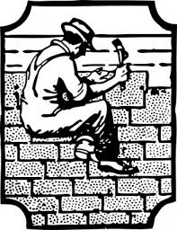

Sub-Contractor Bid Form

Project:
Bidder:
Phone Number:
Bidder Address:

Roof Coverings Per Plans & Specs.

Addendum #1 Received: | Y / N

Addendum #2 Received: | Y / N

Total Bid: | $

Add: Furnish & Install Cast Iron Boots | $

Inclusions:
Standing Seam Metal Siding Panels

Exclusions:
Louvers, Mechanical Curbs, Fiberglass Sandwich Panel System

Signature of Authorized Agent:

Date:

Sub 3 Proposal Sheet
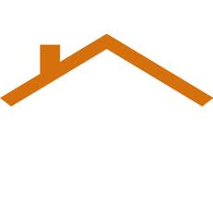

Sub-Contractor Bid Form

Project:
Bidder:
Phone Number:
Bidder Address:

Roof Coverings Per Plans & Specs.

Addendum #1 Received: | Y / N

Addendum #2 Received: | Y / N

Total Bid: | $

Add: Furnish & Install Cast Iron Boots | $

Exclusions:
Louvers, Mechanical Curbs, Fiberglass Sandwich Panel System

Signature of Authorized Agent:

Date:

Material Bid Proposal 1
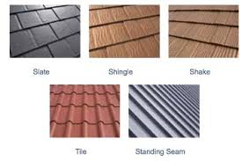
CoverUp, LLC
305 Seaming Lane ~ Richmond, VA 23219 ~ 804-222-3455

Project Info: | Support Services Building
 | 15200 Neabsco Mills Rd.
 | Woodbridge, VA 22191

Description
Standing Seam Metal Roofing & Siding Material | $1.10 per SF
TPO Membrane Roofing Material | $1.85 per SF

Includes Full Range of Colors for Metal

Add: 20 Year Warranty on TPO Membrane Roofing in lieu of 10 Year Warranty | $750

Deduct: Standard Colors for Metal in lieu of Full Range | $750

Material Bid Proposal 2
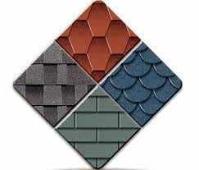

 | DryIN Companies
 | 45 ShedWater Avenue ~ Richmond, VA 23219 ~ 804-454-3890

 | Project Info: | Support Services Building
 |  | 15200 Neabsco Mills Rd.
 |  | Woodbridge, VA 22191

Item | Description
1 | Standing Seam Metal Roofing & Siding Material | $1.40 per SF
2 | TPO Membrane Roofing Material | $2.30 per SF

 | Includes Full Range of Colors for Metal

 | Add: 20 Year Warranty on TPO Membrane Roofing in lieu of 10 Year Warranty | $750

 | Deduct: Standard Colors for Metal in lieu of Full Range | $750

