Sub 3 Proposal Sheet
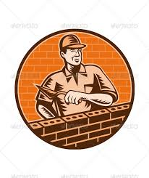

Sub-Contractor Bid Form

Project:
Bidder:
Phone Number:
Bidder Address:

Masonry Per Plans & Specs.

Addendum #1 Received: | Y / N

Addendum #2 Received: | Y / N

Total Bid: | $

Exclusions:

Signature of Authorized Agent:

Date:

Material Bid Proposal 1
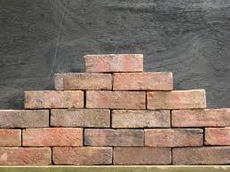
 | Brick By Brick
 | 55 Red River Ave. ~ Richmond, VA 23219 ~ 804-444-3232

 | Project Info: | Support Services Building
 |  | 15200 Neabsco Mills Rd.
 |  | Woodbridge, VA 22191

Item | Description
1 | Brick Type 1 | $2.75 per SF
2 | Brick Type 2 | $3.25 per SF

Material Bid Proposal 2
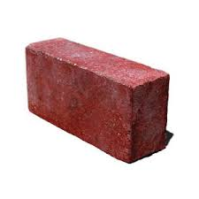

 | Masons R'US
 | 82 Windy Road ~ Richmond, VA 23219 ~ 804-888-8888

 | Project Info: | Support Services Building
 |  | 15200 Neabsco Mills Rd.
 |  | Woodbridge, VA 22191

Item | Description
1 | Brick Type 1 | $3.25 per SF
2 | Brick Type 2 | $3.50 per SF

